Table 4(a-b)
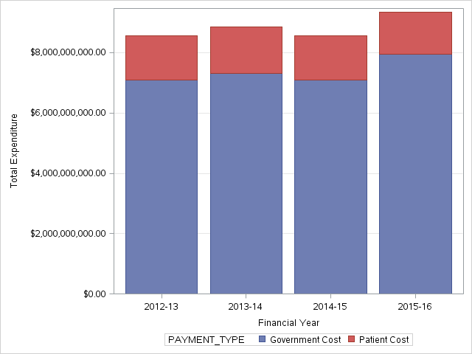
Table 4(a): PBS Prescription Volume for 4 Financial Years.
Section 85 only; excl. Drs Bag.

Script Volume | 2012-13 | 2013-14 | 2014-15 | 2015-16
Over Co-payment | 197,328,974 | 209,964,792 | 211,704,813 | 207,601,130
Under Co-payment | 62,019,467 | 72,322,449 | 79,031,192 | 83,043,126
Total | 259,348,441 | 282,287,241 | 290,736,005 | 290,644,256

Graph for Table 4(a): PBS Prescription Volume for 4 Financial Years.

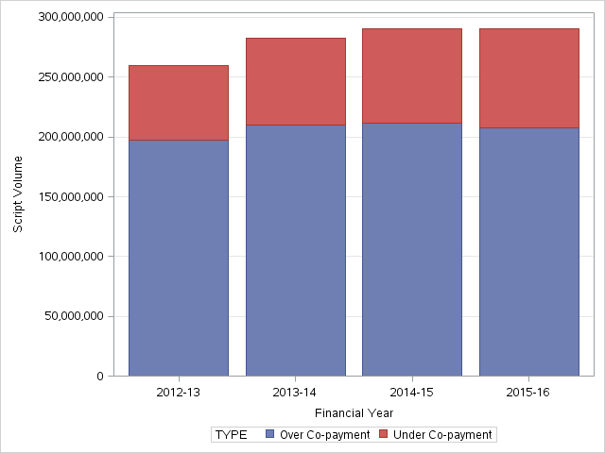

Table 4(b): PBS Expenditure for 4 Financial Years.
Section 85 only; excl. Drs Bag.

Expenditure | 2012-13 | 2013-14 | 2014-15 | 2015-16
Government Cost | $7,088,662,996 | $7,317,674,872 | $7,096,679,044 | $7,949,018,254
Patient Cost | $1,482,680,489 | $1,528,717,760 | $1,465,904,274 | $1,394,205,138
Total | $8,571,343,484 | $8,846,392,633 | $8,562,583,318 | $9,343,223,391

Graph for Table 4(b): PBS Expenditure for 4 Financial Years.

