Figure1
Figure 1: PBS Expenditure and Prescription Volume, 2001-02 to 2022-23
Section 85 and Section 100 including Drs Bag and under co-payment prescriptions*

PBS Expenditure (on an Accrual Accounting Basis) and Prescriptions by Financial Year
 | Above co-payment prescriptions | Under co-payment prescriptions | PBS Expenditure on an Accrual Accounting Basis**
2001-02 | 155.5 | 0 | 4.2
2002-03 | 158.7 | 0 | 4.6
2003-04 | 167.1 | 0 | 5
2004-05 | 169.9 | 0 | 6
2005-06 | 169.1 | 0 | 6.2
2006-07 | 169.5 | 0 | 6.4
2007-08 | 174.9 | 0 | 7
2008-09 | 182.2 | 0 | 7.7
2009-10 | 186.9 | 0 | 8.4
2010-11 | 193.6 | 0 | 8.9
2011-12 | 198.7 | 13.9 | 9.2
2012-13 | 200.8 | 64.3 | 9
2013-14 | 205 | 70.4 | 9
2014-15 | 206.6 | 76.8 | 9.1
2015-16 | 206.7 | 81.5 | 10.8
2016-17 | 202.4 | 86.3 | 12.1
2017-18 | 204.1 | 89.5 | 11.7
2018-19 | 205.1 | 93.9 | 11.8
2019-20 | 208.5 | 96.4 | 12.6
2020-21 | 213.6 | 93.6 | 13.8
2021-22 | 215.1 | 100.8 | 14.7
2022-23 | 223.1 | 105.6 | 17

*Amendments to the Commonwealth of Australia National Health Act 1953 have been enacted that required approved suppliers of Pharmaceutical Benefits Scheme (PBS) medicines to provide
the Australian Government, from 1 April 2012, with data on PBS prescriptions that are priced below the general copayment level (under copayment).
Details of the legislation enacted on 23 November 2010 can be found in the National Health Amendment (Pharmaceutical Benefits Scheme) Act 2010.

Figure 2
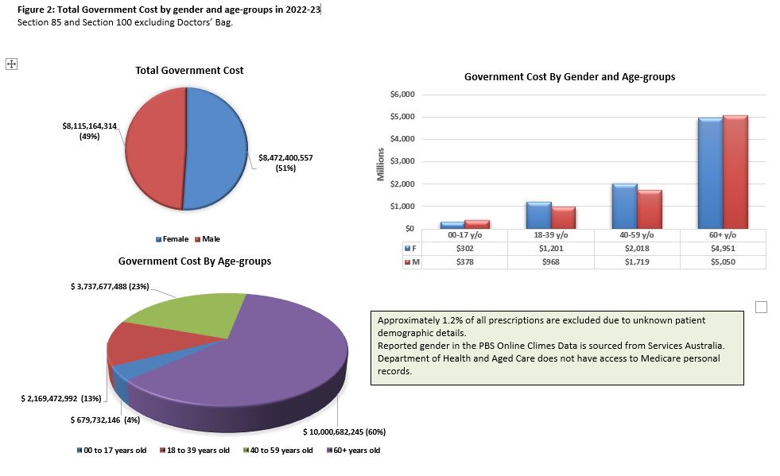

Row data
Age group | Patient sex | Government Cost
00-17 y/o | F | $301,978,575
00-17 y/o | M | $377,753,571
18-39 y/o | F | $1,200,990,808
18-39 y/o | M | $968,482,184
40-59 y/o | F | $2,018,471,227
40-59 y/o | M | $1,719,206,260
60+ y/o | F | $4,950,959,946
60+ y/o | M | $5,049,722,299
Approximately 1.2% of all prescriptions are excluded due to unknown patient demographic details
*Reported gender is sourced from Services Australia, gender options other than M or F are added as a note to the personal record.
DoHAC does not have access to personal records.

Figure 3
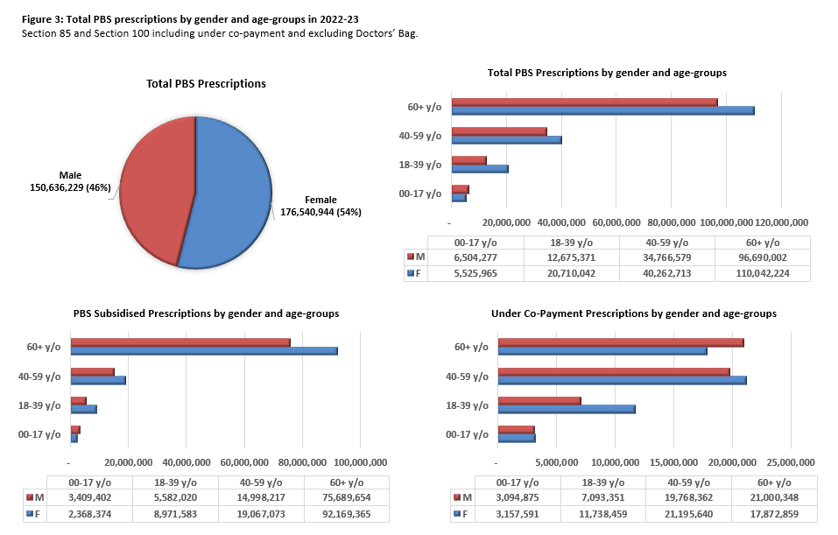

Row data
Age group | Patient sex | PBS Subsidised Prescriptions | Under Co-Payment Prescriptions | Total Prescription Volume
00-17 y/o | F | 2,368,374 | 3,157,591 | 5,525,965
00-17 y/o | M | 3,409,402 | 3,094,875 | 6,504,277
18-39 y/o | F | 8,971,583 | 11,738,459 | 20,710,042
18-39 y/o | M | 5,582,020 | 7,093,351 | 12,675,371
40-59 y/o | F | 19,067,073 | 21,195,640 | 40,262,713
40-59 y/o | M | 14,998,217 | 19,768,362 | 34,766,579
60+ y/o | F | 92,169,365 | 17,872,859 | 110,042,224
60+ y/o | M | 75,689,654 | 21,000,348 | 96,690,002
Approximately 1.2% of all prescriptions are excluded due to unknown patient demographic details
*Reported gender is sourced from Services Australia, gender options other than M or F are added as a note to the personal record.
DoHAC does not have access to personal records.

Figure 4
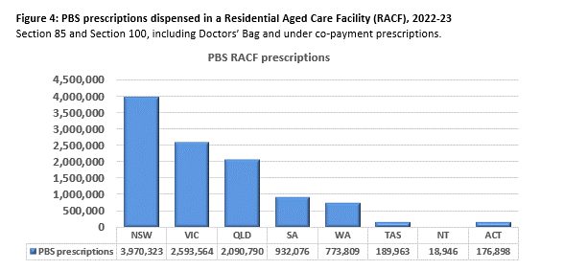

Figure 5(a)
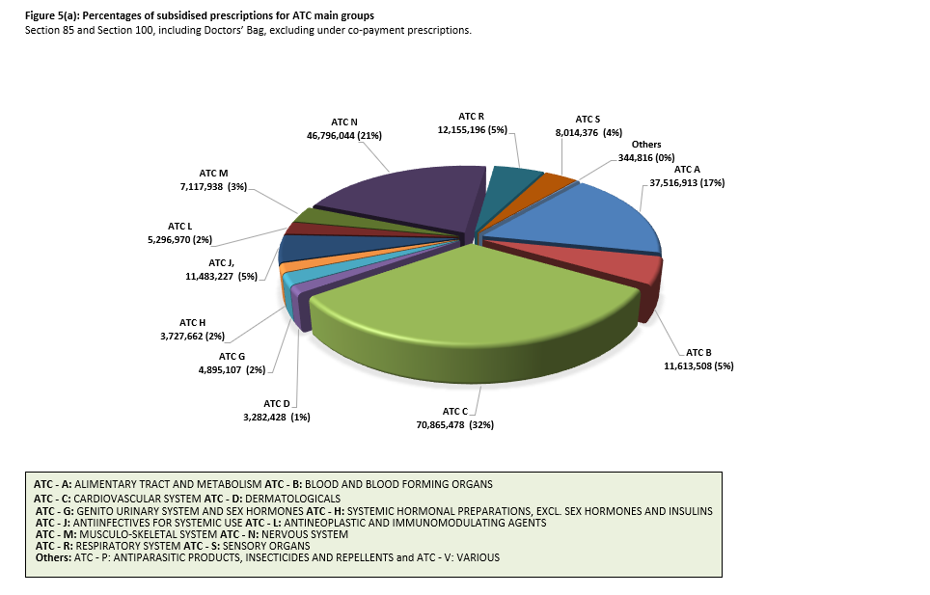

The Source of the data is from Table 8 ATC Main Groups Comparison for PBS Subsidised Prescriptions, Government Cost, Patient Contribution and Average Price, 2021-22 and 2022-23

Figure 5(b)
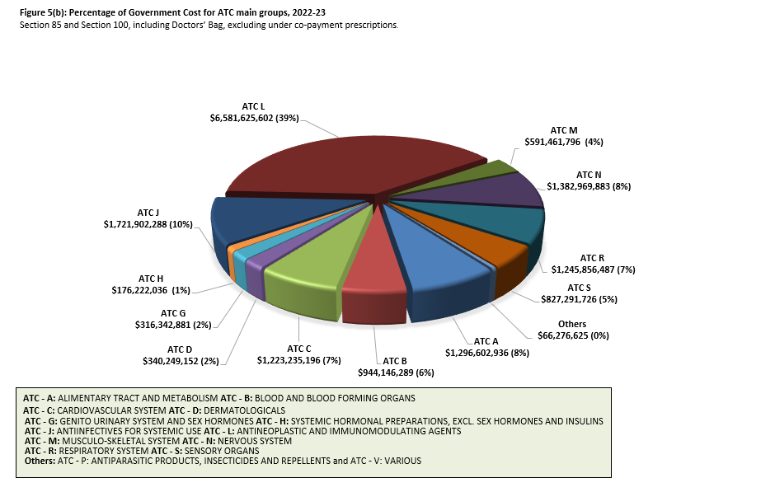

The Source of the data is from Table 8 ATC Main Groups Comparison for PBS Subsidised Prescriptions, Government Cost, Patient Contribution and Average Price, 2021-22 and 2022-23

Table10(a)-(b)
Table 10(a): PBS Generic Prescriptions per ATC level 1, 2022-23
Section 85 and Section 100, excluding Efficient Funding of Chemotherapy items, including under co-payment prescriptions and Drs Bag

ATC Level 1 Group | Total Prescriptions | Total Prescriptions Generic Percentage | Total Expenditure | Total Expenditure Generic Percentage
ATC - A: ALIMENTARY TRACT AND METABOLISM | 49,074,086 | 62.5% | $1,295,711,248 | 28.8%
ATC - B: BLOOD AND BLOOD FORMING ORGANS | 12,707,169 | 25.4% | $944,150,496 | 4.4%
ATC - C: CARDIOVASCULAR SYSTEM | 108,517,436 | 78.5% | $1,223,080,304 | 56.9%
ATC - D: DERMATOLOGICALS | 5,306,199 | 82.8% | $340,122,464 | 18.8%
ATC - G: GENITO URINARY SYSTEM AND SEX HORMONES | 8,234,034 | 60.5% | $316,349,889 | 22.1%
ATC - H: SYSTEMIC HORMONAL PREPARATIONS, EXCL. SEX HORMONES AND INSULINS | 6,929,442 | 90.3% | $176,222,503 | 44.1%
ATC - J: ANTIINFECTIVES FOR SYSTEMIC USE | 24,409,580 | 84.6% | $1,721,288,836 | 9.1%
ATC - L: ANTINEOPLASTIC AND IMMUNOMODULATING AGENTS | 4,556,294 | 43.2% | $4,587,011,151 | 6.4%
ATC - M: MUSCULO-SKELETAL SYSTEM | 11,476,119 | 65.9% | $591,456,626 | 9.9%
ATC - N: NERVOUS SYSTEM | 71,354,620 | 73.5% | $1,379,088,948 | 43.3%
ATC - P: ANTIPARASITIC PRODUCTS, INSECTICIDES AND REPELLENTS | 87,367 | 4.4% | $3,582,489 | 1.5%
ATC - R: RESPIRATORY SYSTEM | 13,743,955 | 32.6% | $1,245,317,608 | 7.4%
ATC - S: SENSORY ORGANS | 10,348,183 | 25.4% | $827,271,491 | 3.6%
ATC - V: VARIOUS | 125,169 | 46.7% | $28,673,130 | 28.4%

Total Prescriptions Generic Percentage by ATC

Table 10(b): PBS Generic Prescriptions Percentage Share by ATC level 1, 2022-23
Section 85 and Section 100, excluding Efficient Funding of Chemotherapy items, including under co-payment prescriptions and Drs Bag

ATC Level 1 Group | Total Prescriptions Generic Percentage | Total Expenditure Generic Percentage
ATC - A: ALIMENTARY TRACT AND METABOLISM | 13.7% | 14.6%
ATC - B: BLOOD AND BLOOD FORMING ORGANS | 9.2% | 6.1%
ATC - C: CARDIOVASCULAR SYSTEM | 0.9% | 11.4%
ATC - D: DERMATOLOGICALS | < 0.1% | < 0.01%
ATC - G: GENITO URINARY SYSTEM AND SEX HORMONES | 1.4% | 1.6%
ATC - H: SYSTEMIC HORMONAL PREPARATIONS, EXCL. SEX HORMONES AND INSULINS | 38.0% | 27.2%
ATC - J: ANTIINFECTIVES FOR SYSTEMIC USE | 2.0% | 2.5%
ATC - L: ANTINEOPLASTIC AND IMMUNOMODULATING AGENTS | 2.2% | 2.7%
ATC - M: MUSCULO-SKELETAL SYSTEM | 3.4% | 2.3%
ATC - N: NERVOUS SYSTEM | 23.4% | 23.3%
ATC - P: ANTIPARASITIC PRODUCTS, INSECTICIDES AND REPELLENTS | 2.0% | 3.6%
ATC - R: RESPIRATORY SYSTEM | 1.2% | 1.2%
ATC - S: SENSORY ORGANS | 2.8% | 3.0%
ATC - V: VARIOUS | < 0.1% | 0.3%
Total | 100.0% | 100.0%

Tables 10(a) and 10(b) Excludes non-therapeutic products (ATC V04 diagnostic agents, V06 general nutrients and V07 all other non-therapeutic products)

